Figure 7
This figure presents data underlying the PBO's 2018–19 Budget Snapshot
https://www.aph.gov.au/About_Parliament/Parliamentary_Departments/Parliamentary_Budget_Office/Reports/Chart_packs/2018_19_Budget_Snapshot

Figure 7: Policy decisions in the 2018–19 Budget—payments and receipts2,4
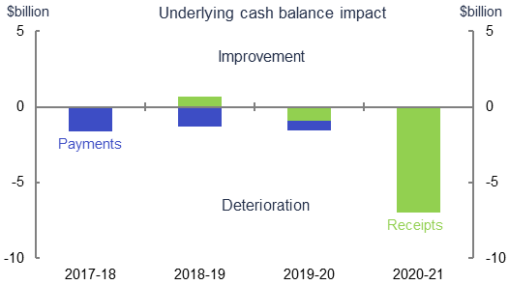

Policy decisions | 2017-18 | 2018-19 | 2019-20 | 2020-21
Receipts | 0 | 0.7 | -1 | -7
Payments | -1.6 | -1.3 | -0.6 | 0

Source: Budget Paper No. 1, Statement 3, p. 3-21

2. Figures are based on payments and receipts which are on a cash basis.
4. An increase in receipts results in an improvement in the underlying cash balance. An increase in payments results in a deterioration in the underlying cash balance.
A decrease in payments results in an improvement in the underlying cash balance. A decrease in receipts results in a deterioration in the underlying cash balance.

Figure 8
This figure presents data underlying the PBO's 2018–19 Budget Snapshot
https://www.aph.gov.au/About_Parliament/Parliamentary_Departments/Parliamentary_Budget_Office/Reports/Chart_packs/2018_19_Budget_Snapshot

Figure 8: Policy decisions in the 2018–19 Budget—top five revenue measures5,6
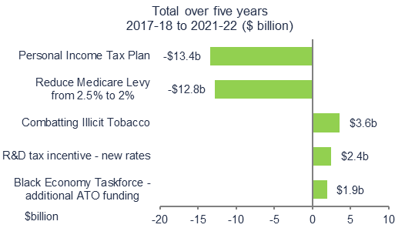

Top 5 revenue measures - five year impact | $b
Black Economy Taskforce - additional ATO funding | 1.9
R&D tax incentive - new rates | 2.4
Combatting Illicit Tobacco | 3.6
Reduce Medicare Levy from 2.5% to 2% | -12.8
Personal Income Tax Plan | -13.4

Source: Budget Overveiw and Budget Paper No. 2, various

5. Figures are on an accrual (fiscal) basis.
6. This is the net fiscal impact of the measure. Where a measure effects both revenue and expenses it has been classified according to its principal impact (consistent with Budget Paper No. 2).

Figure 9
This figure presents data underlying the PBO's 2018–19 Budget Snapshot
https://www.aph.gov.au/About_Parliament/Parliamentary_Departments/Parliamentary_Budget_Office/Reports/Chart_packs/2018_19_Budget_Snapshot

Figure 9: Policy decisions in the 2018–19 Budget—top five expense measures5,6
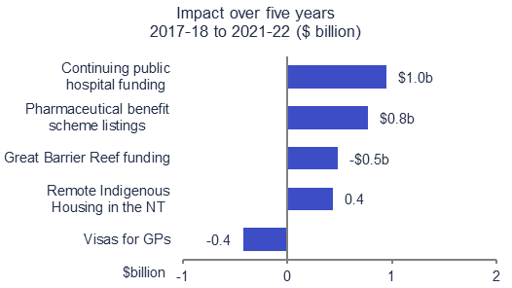

Top 5 expense measures - five year impact | $b
Visas for GPs | -0.4
Remote Indigenous Housing in the NT | 0.4
Great Barrier Reef funding | 0.5
Pharmaceutical benefit scheme listings | 0.8
Continuing public hospital funding | 1.0

Source: Budget Overveiw p.34 - 35 & Budget Paper No. 2, various

5. Figures are on an accrual (fiscal) basis.
6. This is the net fiscal impact of the measure. Where a measure effects both revenue and expenses it has been classified according to its principal impact (consistent with Budget Paper No. 2).

Figure 10
This figure presents data underlying the PBO's 2018–19 Budget Snapshot
https://www.aph.gov.au/About_Parliament/Parliamentary_Departments/Parliamentary_Budget_Office/Reports/Chart_packs/2018_19_Budget_Snapshot

Figure 10: Parameter and other variations in the 2018–19 Budget—payments and receipts2,7,8
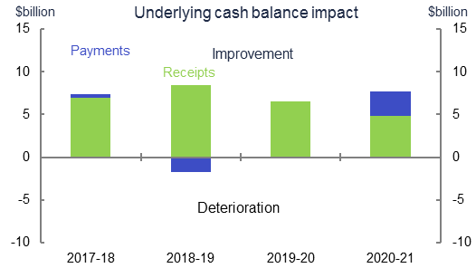

Parameter and other variations | 2017-18 | 2018-19 | 2019-20 | 2020-21
Receipts | 8.0 | 9.8 | 8.0 | 6.4
Payments | -0.7 | -3.0 | -1.5 | 1.4
Adjustment to exclude GST
GST parameter variations | 1.04 | 1.296 | 1.51 | 1.57
Data used in Figure 10
Receipts adjusted | 7.0 | 8.5 | 6.5 | 4.8
Payments adjusted | 0.4 | -1.7 | 0.0 | 3.0

Source: Budget Paper No. 1, Statement 3, p. 3-21 & Budget Paper No. 3, p. 71

2. Figures are based on payments and receipts which are on a cash basis.
7. Parameter and other variations refer to changes in parameters and assumptions used to estimate payments/expenses and receipts/revenue.
8. This figure excludes the impact of parameter variations on the Goods and Services Tax (GST) payments and receipts.

Figure 11
This figure presents data underlying the PBO's 2018–19 Budget Snapshot
https://www.aph.gov.au/About_Parliament/Parliamentary_Departments/Parliamentary_Budget_Office/Reports/Chart_packs/2018_19_Budget_Snapshot

Figure 11: Drivers of growth in revenue5,9
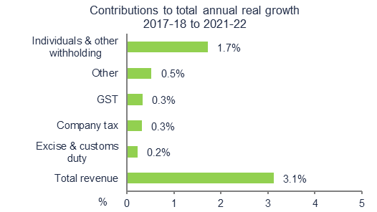

Top five revenue heads | Contributions to annual real growth |  |  |  | Nominal $b |  |  |  |  | Real $b
 |  | 2017–18 to 2021-22 | 2017-18 | 2018-19 | 2019-20 | 2020-21 | 2021-22 | 2017-18 | 2018-19 | 2019-20 | 2020-21 | 2021-22
Total revenue |  | 3.1 | 456 | 486 | 513 | 538 | 568 | 447 | 466 | 480 | 491 | 506
Excise & customs duty |  | 0.2 | 38 | 40 | 45 | 45 | 46 | 37 | 38 | 42 | 41 | 41
Company tax |  | 0.3 | 87 | 91 | 95 | 99 | 102 | 85 | 87 | 89 | 90 | 91
GST |  | 0.3 | 67 | 70 | 73 | 77 | 81 | 65 | 67 | 68 | 70 | 72
Other |  | 0.5 | 54 | 62 | 66 | 68 | 71 | 53 | 60 | 62 | 62 | 63
Individuals & other withholding |  | 1.7 | 211 | 223 | 234 | 250 | 268 | 206 | 214 | 219 | 228 | 239

Source: Budget Paper No. 1, Statement 10, p. 10-24 & Statement 11, p. 11-16

5. Figures are on an accrual (fiscal) basis.
9. This is the percentage point contribution to total annual real growth from 2017–18 to 2021–22. Total growth is presented in the total bar in this figure.

Figure 12
This figure presents data underlying the PBO's 2018–19 Budget Snapshot
https://www.aph.gov.au/About_Parliament/Parliamentary_Departments/Parliamentary_Budget_Office/Reports/Chart_packs/2018_19_Budget_Snapshot

Figure 12: Drivers of growth in expenses5,9
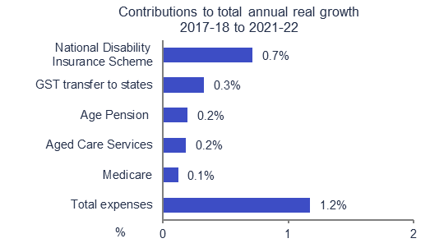

Programs | Contributions to annual real growth |  |  |  | Nominal $b |  |  |  |  | Real $b
 |  | 2017–18 to 2021-22 | 2017-18 | 2018-19 | 2019-20 | 2020-21 | 2021-22 | 2017-18 | 2018-19 | 2019-20 | 2020-21 | 2021-22
Total expenses |  | 1.2 | 469 | 489 | 504 | 518 | 541 | 460 | 468 | 472 | 473 | 482
National Disability Insurance Scheme |  | 0.7 | 8 | 17 | 21 | 22 | 24 | 8 | 16 | 19 | 20 | 21
GST transfer to states |  | 0.3 | 64 | 68 | 71 | 74 | 78 | 63 | 65 | 66 | 68 | 69
Age Pension |  | 0.2 | 45 | 47 | 49 | 52 | 54 | 44 | 45 | 46 | 47 | 48
Aged care services |  | 0.2 | 17 | 18 | 19 | 21 | 22 | 16 | 17 | 18 | 19 | 20
Medicare |  | 0.1 | 23 | 24 | 25 | 27 | 28 | 23 | 23 | 24 | 24 | 25

Source: Budget Paper No. 1, Statement 10, p. 10-24 & Statement 11, p. 11-16

5. Figures are on an accrual (fiscal) basis.
9. This is the percentage point contribution to total annual real growth from 2017–18 to 2021–22. Total growth is presented in the total bar in this figure.

Figure 13
This figure presents data underlying the PBO's 2018–19 Budget Snapshot
https://www.aph.gov.au/About_Parliament/Parliamentary_Departments/Parliamentary_Budget_Office/Reports/Chart_packs/2018_19_Budget_Snapshot

Figure 13: Payments to states in 2018-1910
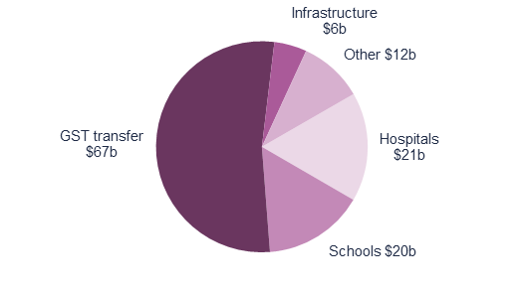

Payments to states $b | 2018-19
Hospitals | 21
Schools | 20
GST transfer | 67
Infrastructure | 6
Other | 12
Total | 127

Source: 2018–19 Budget Paper No. 3, p. 5 & 14

10. Payments to states refer to the amount of funding provided to states and territories under the Federal Financial Relations framework. This includes the transfer of the GST collected by the Commonwealth to states and territories for use on general purposes.

Figure 14
This figure presents data underlying the PBO's 2018–19 Budget Snapshot
https://www.aph.gov.au/About_Parliament/Parliamentary_Departments/Parliamentary_Budget_Office/Reports/Chart_packs/2018_19_Budget_Snapshot

Figure 14: Revenue in 2018-195
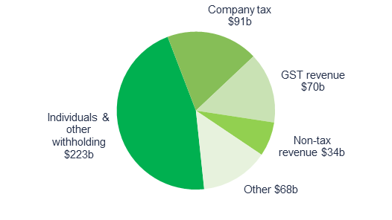

Revenue $b | 2018-19
Individuals & other withholding | 223
Company tax | 91
GST revenue | 70
Non-tax revenue | 34
Other | 68
Total | 486

Source: 2018-19 Budget Paper No.1, p.10-24

5. Figures are on an accrual (fiscal) basis.

Figure 15
This figure presents data underlying the PBO's 2018–19 Budget Snapshot
https://www.aph.gov.au/About_Parliament/Parliamentary_Departments/Parliamentary_Budget_Office/Reports/Chart_packs/2018_19_Budget_Snapshot

Figure 15: Expenses in 2018-195
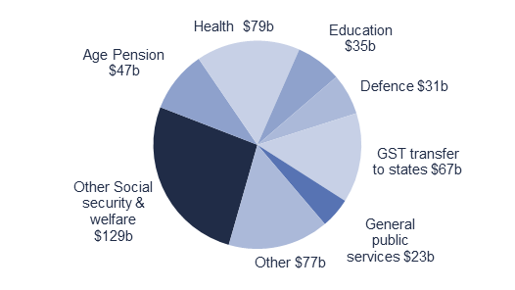

Expenses $b | 2018-19
Other Social security & welfare | 129
Age Pension | 47
Health | 79
Education | 35
Defence | 31
GST transfer to states | 68
General public services | 23
Other | 77
Total | 489

Source: Budget Paper No. 1, p. 6-7 & 6-10

5. Figures are on an accrual (fiscal) basis.

